Sheet1
DATE | INV NO. | DESCRIPTIONS | QTY | BILLS | PRICE | TOTAL
8-Oct-2025 | SO-2503980 | Pandanesia PET | 2 | 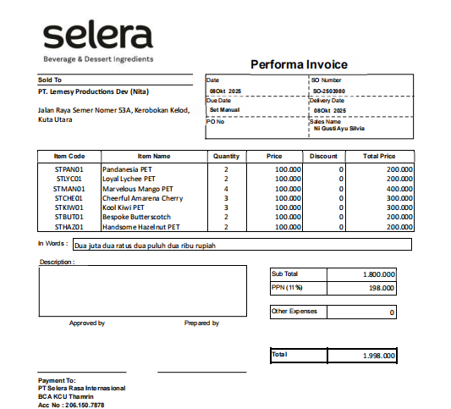 | IDR 100,000 | IDR 1,800,000
 |  | Loyal Lychee PET | 2 |  | IDR 100,000
 |  | Marvelous Mango PET | 4 |  | IDR 100,000
 |  | Cheerful Amarena Cherry | 3 |  | IDR 100,000
 |  | Kool Kiwi PET | 3 |  | IDR 100,000
 |  | Bespoke Butterscotch | 2 |  | IDR 100,000
 |  | Handsome Hazelnut PET | 2 |  | IDR 100,000
SUB TOTAL |  |  | 18 |  | PPN (11%) | IDR 198,000
TOTAL |  |  |  | IDR 1,998,000
 |  |  |  | TOTAL | #REF!

